Project Application Agmt
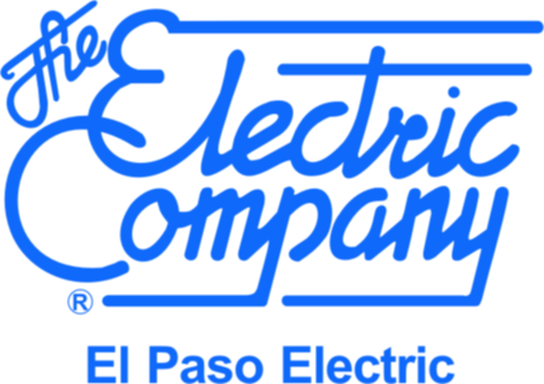
El Paso Electric Company
SCORE Plus Program
Project Application Form

By signing this Project Application Form, the Participant acknowledges and agrees to the following:

1) | The Participant is actively participating in El Paso Electric Company's Energy Efficiency Program (Program), has reviewed the Program Manual and/or discussed program details with a CLEAResult Program Consultant and understands the following key elements of the Project Application process as described in the Program Manual.

2) | Only project sites served by El Paso Electric and that pay the Efficient Use of Energy Recovery Factor (EUERF) are eligible for inclusion on this Form.

3) | The Participant allows Program Staff and State-Approved Evaluation, Measurement and Verification Contractor access to project site(s) for the purpose of pre-installation and post-installation inspections.
 | A) For retrofit projects:
 | i) A pre-installation inspection must be conducted (and approved) before any demolition or installation work has begun.
 | ii) Any areas not reviewed at the time of the pre-inspection are ineligible to participate in the Program.
 | iii) A post-installation inspection must be conducted (and approved) before the project is paid financial incentives.
 | B) For new construction projects:
 | i) Participant must submit a full set of stamped construction drawings (A/M/E/P) and equipment specifications/submittals in electronic PDF file format to CLEAResult for review. Construction drawings shall be a minimum of 70% complete for review by CLEAResult
 | ii) A post-installation inspection must be conducted (and approved) and final construction documents must be submitted before the project is paid financial incentives.

4) | Program Staff can assist the Participant to complete the information requested on the Project Application Form. In particular, the estimated demand savings (kW), energy savings (kWh/yr), and incentive amounts are for Program Staff to complete. In order for Program Staff to estimate the savings and incentives for your project(s), Participant must complete step 5 below. Please note that all calculated savings/incentive amounts are estimates and are based on best available information provided by the Participant at the time of this application.

5) | Approval of Project Application Forms, applicability of required documentation, and resulting reservations of incentive funds are solely within the discretion of El Paso Electric Company.
 | A) Projects will be considered in "RESERVED" status only when:
 | i) Retrofit: Pre-inspection has been approved, post installation equipment has been confirmed and estimated kW savings have been calculated.
 | ii) New Construction: Plans and Submittals have been received and estimated kW savings have been calculated.
 | B) Program Staff has approved, signed and returned the Application Form to the Participant.
 | C) Reserved status does not guarantee payment.

6) | The Project Application Form is valid for (60) calendar days from the application approval date. Within the (60) days, the Participant must provide written documentation of project progress (e. g. Purchase Order, Invoice, Contractor Bid, RFP, Contract Award letter, etc.) to maintain the project's reserved incentive funds. The Participant must submit a new Project Application Form if this documentation is not provided within 60 days.

7) | El Paso Electric strives to achieve a diversified participant and measure mix within its program portfolio. The program reserves the rights to distribute funds based on program funding and cost effectiveness constraints. If the Program's budget is fully subscribed, Project Application Forms may be placed on waitlist.

8) | The Program year will terminate on November 30. All approved measures must be installed and all required project documents (i.e. plans, submittals, itemized invoices, etc.) must be submitted to receive Program incentives by the Program termination date.

9) | El Paso Electric may only pay financial incentives based upon verified savings. An application in Reserved status does not guarantee payment of a financial incentive. If the project achieves greater demand/energy savings than was estimated on the Project Application Form, El Paso Electric is under no obligation to pay a financial incentive greater than the estimate.

10) | While Program Staff will assist the Participant to the best of its ability, the Participant is solely responsible for confirming Application Form project data accuracy, scheduling required inspections, providing required documents and confirming receipt of submitted Application Forms.

Please initial and sign the Project Application Form on the next worksheet. Return the completed Project Application Form to salvador.gomez@CLEAResult.com and antonio.reyes@epelectric.com

